LDVs
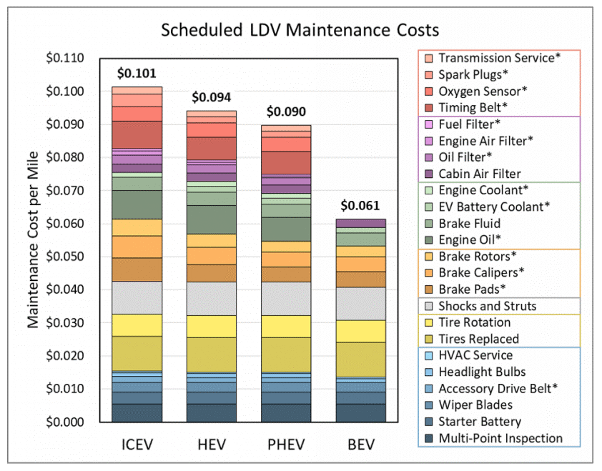
 | 2012$/mile | Annual Costs - passenger | Annual Costs - freight
ICE | 0.101 | 1146.6070045 | 1000.4265479
PHEV | 0.09 | 1021.7290139 | 891.46920111
BEV | 0.061 | 692.50522052 | 604.21801409

